Inspections
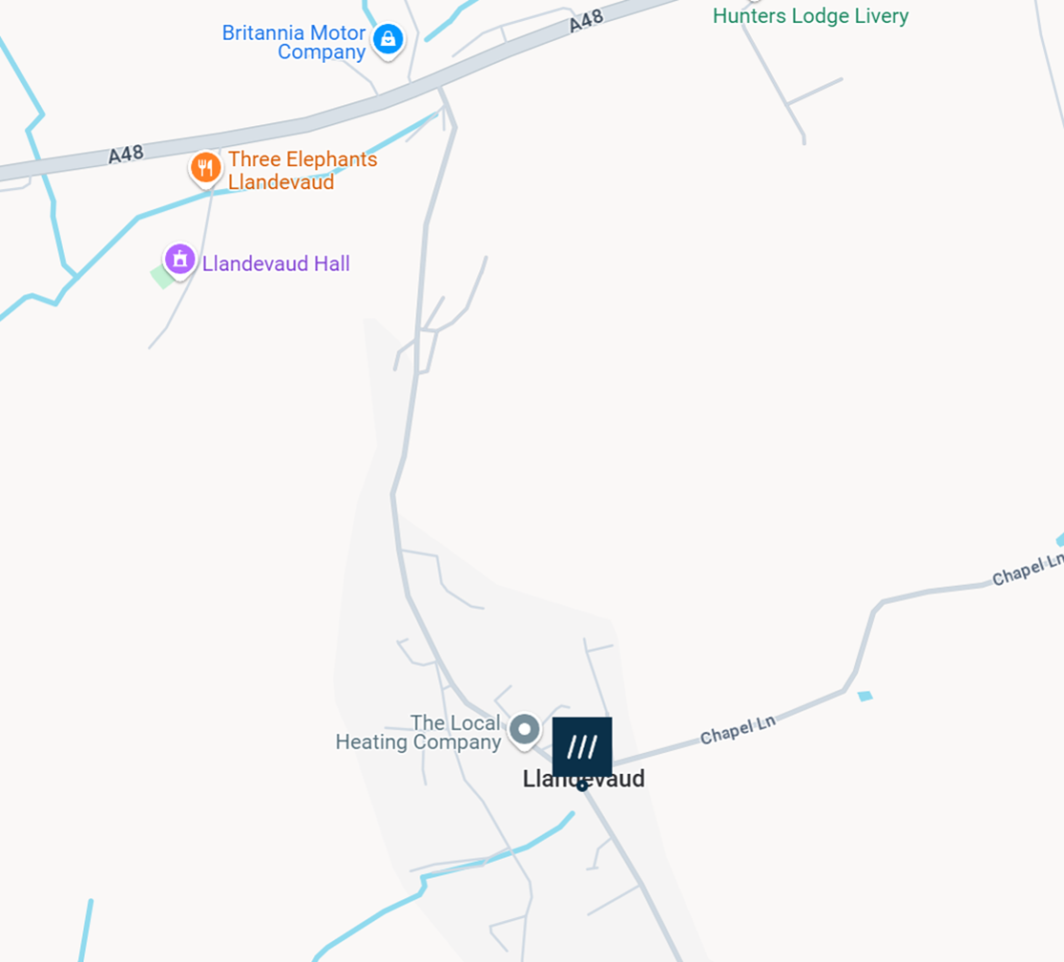
item # | Ref | Description |  |  | Postcode | What 3 Words |  |  |  |  | If map is not shown full size - click on the cell containing map - brings up a small icon to top and right click on that to expand the map
LCC1 | (21)X15D752373 | Public (disused) red phone-box Upper Road Llandevaud |  |  | NP18 2AF | ///hushed.buns.excavate |  |  |  | MAP
Date | Status @Inspection (Self Tests) | Manual Check Test | Pads @Inspection Expiry | Pads Expiry if replaced | Bateries Changed? | Battery Expiry | Accessory Kit | Emergency Deployment? | Inspected By
9-Dec-24 | OK | OK | 23-Aug-24 | 9-Dec-25 | No | May-27 | Present | None identified | R.Lewis
27-Feb-25 | OK | N/A | 9-Dec-25 | N/A | No | May-27 | Present | None identified | R.Lewis
16-May-25 | OK | OK | 9-Dec-25 | N/A | No | May-27 | Present | None identified | R.Lewis
10-Aug-25 | OK | N/A | 9-Dec-25 | N/A | No | May-27 | Present | None Identified | R.Lewis
2-Nov-25 | OK | N/A | 9-Dec-25 | N/A | No | May-27 | Present | None Identified | B.Newport
24-Dec-25 | OK | N/A | 9-Dec-25 | 9-Dec-30 | No | May-27 | Present | None Identified | R.Lewis
10-Apr-26 | OK | N/A | 9-Dec-30 | N/A | No | May-27 | Assumed ok | None Identified | J.Smith

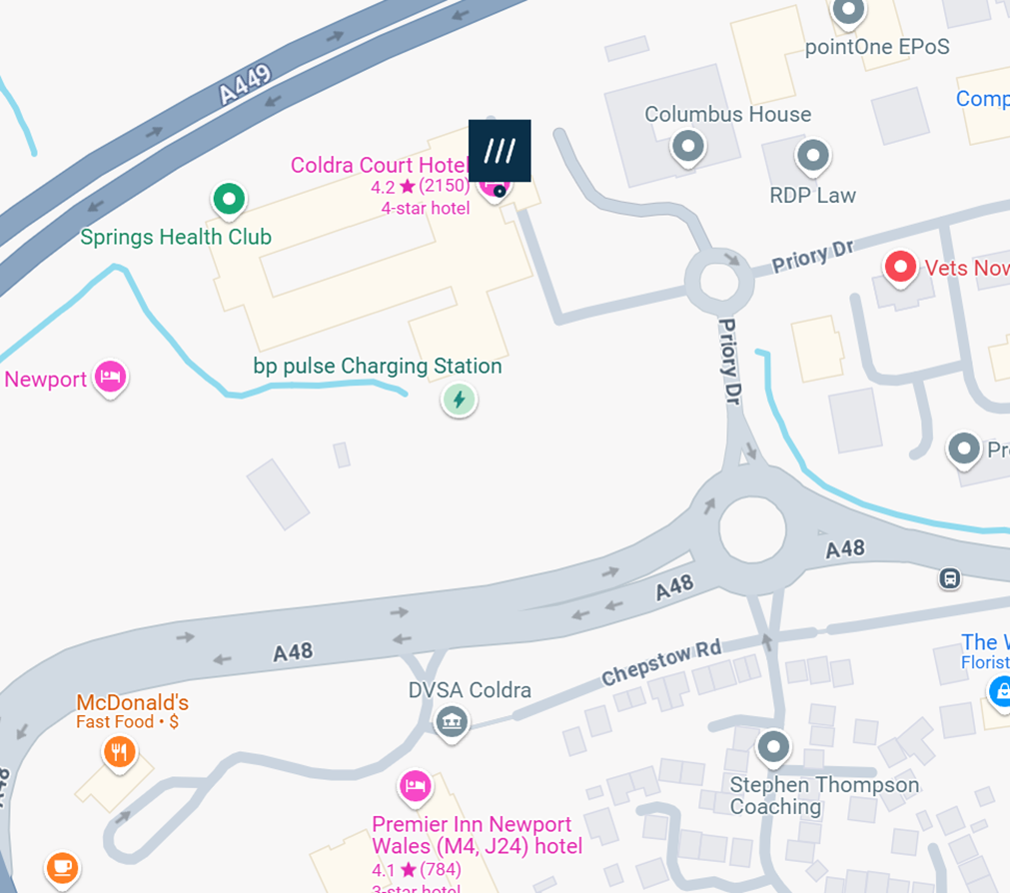
item # | Ref | Description
LCC2 | (21)X17j966285 | Pillar wall outside reception Celtic Manor Hotels Coldra Court Hotel |  |  | NP18 2LX | ///poems.hails.pulse |  |  |  | MAP
Date | Status @Inspection (Self Tests) | Manual Check Test | Pads @Inspection Expiry | Pads Expiry if replaced | Bateries Changed? | Battery Expiry | Accessory Kit | Emergency Deployment? | Inspected By
9-Dec-24 | OK | OK | 23-Aug-24 | 9-Dec-25 | No | May-27 | Present | None identified | R.Lewis
27-Feb-25 | OK | N/A | 9-Dec-25 | N/A | No | May-27 | Present | None identified | R.Lewis
16-May-25 | OK | OK | 9-Dec-25 | N/A | No | May-27 | Present | None identified | R.Lewis
10-Aug-25 | OK | N/A | 9-Dec-25 | N/A | No | May-27 | Present | None Identified | R.Lewis
2-Nov-25 | OK | N/A | 9-Dec-25 | N/A | No | May-27 | Present | None Identified | B.Newport
24-Dec-25 | OK | N/A | 9-Dec-25 | 9-Dec-30 | No | May-27 | Present | None Identified | R.Lewis
7-Apr-26 | OK | N/A | 9-Dec-30 | N/A | No | May-27 | Assumed ok | None Identified | R.Lewis

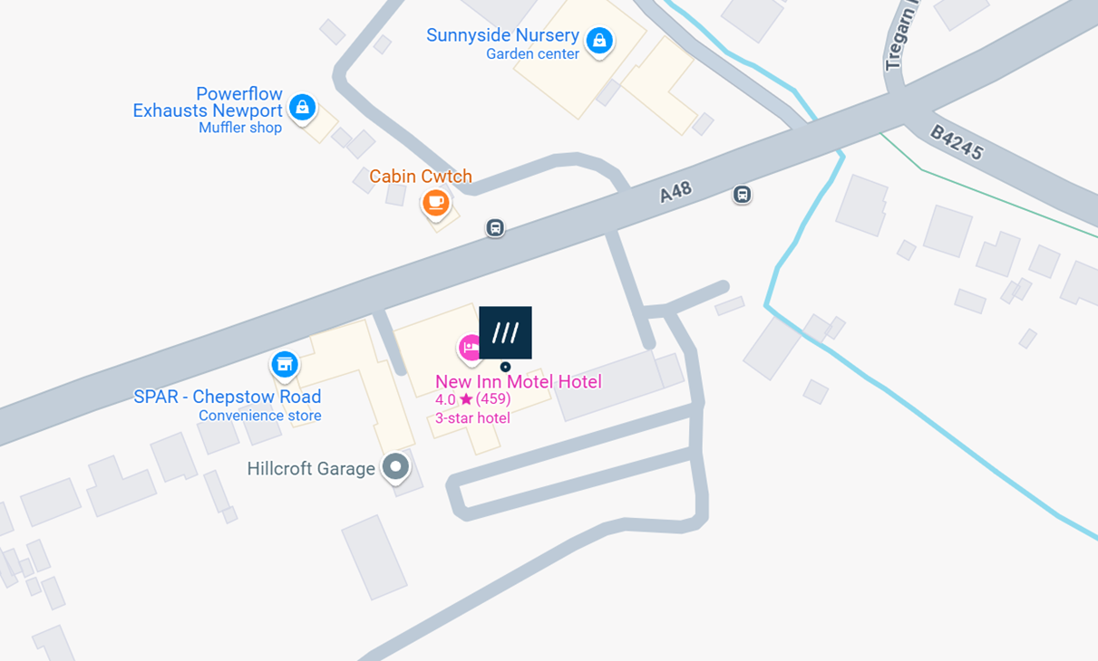
item # | Ref | Description
LCC3 | (21)X15D752335 | External wall New Inn Pub/Hotel Chepstow Road |  |  | NP18 2JN | ///beginning.busters.geek |  |  |  | MAP
Date | Status @Inspection (Self Tests) | Manual Check Test | Pads @Inspection Expiry | Pads Expiry if replaced | Bateries Changed? | Battery Expiry | Accessory Kit | Emergency Deployment? | Inspected By
9-Dec-24 | OK | OK | 23-Aug-24 | 9-Dec-25 | No | May-27 | Present | None identified | R.Lewis
27-Feb-25 | OK | N/A | 9-Dec-25 | N/A | No | May-27 | Present | None identified | R.Lewis
16-May-25 | OK | OK | 9-Dec-25 | N/A | No | May-27 | Present | None identified | R.Lewis
10-Aug-25 | OK | N/A | 9-Dec-25 | N/A | No | May-27 | Present | None Identified | R.Lewis
2-Nov-25 | OK | N/A | 9-Dec-25 | N/A | No | May-27 | Present | None Identified | B.Newport
24-Dec-25 | OK | N/A | 9-Dec-25 | 9-Dec-30 | No | May-27 | Present | None Identified | R.Lewis
7-Apr-26 | OK | N/A | 9-Dec-30 | N/A | No | May-27 | Assumed ok | None Identified | R.Lewis

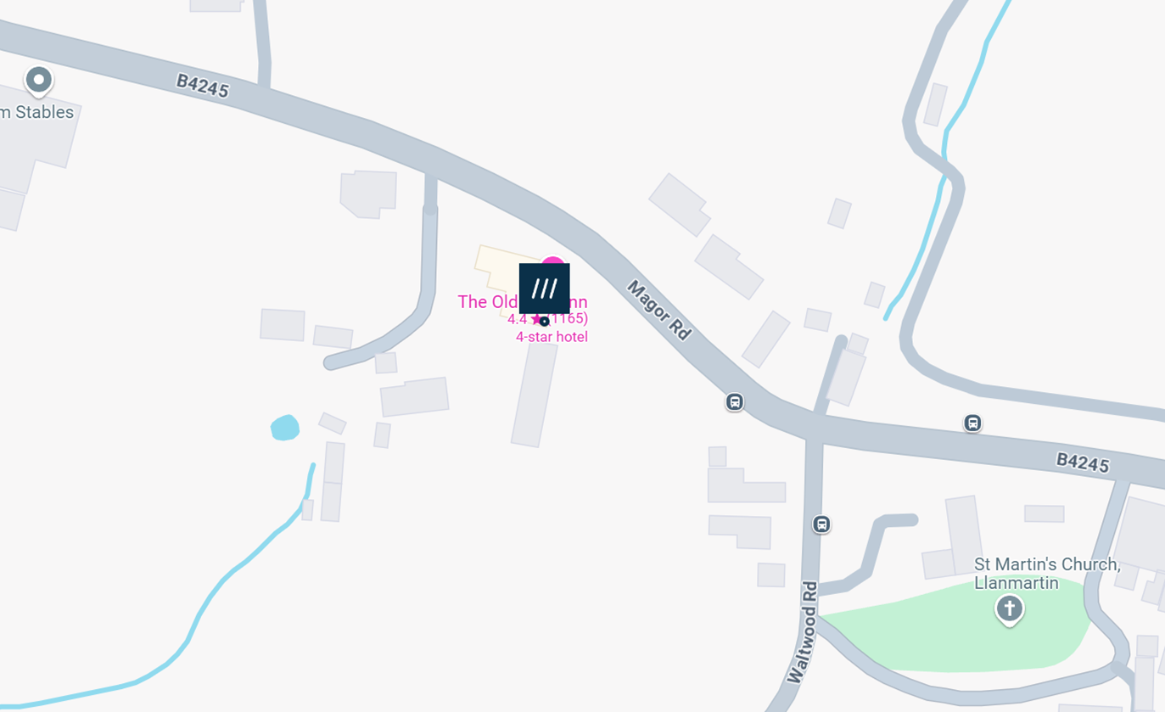
item # | Ref | Description
LCC4 | (21)X17J966193 | External wall Old Barn Inn Magor Road |  |  | NP18 2EB | ///rattler.spoils.hiked |  |  |  | MAP
Date | Status @Inspection (Self Tests) | Manual Check Test | Pads @Inspection Expiry | Pads Expiry if replaced | Bateries Changed? | Battery Expiry | Accessory Kit | Emergency Deployment? | Inspected By
9-Dec-24 | OK | OK | 23-Aug-24 | 9-Dec-25 | No | May-27 | Present | None identified | R.Lewis
16-Feb-25 | FAULT -Battery | NO | 9-Dec-25 | pads ok | Removed | n/a | Present | e-mail -warn deployed | R.Lewis
22-Feb-25 | OK | OK | 9-Dec-25 | N/A | Yes | Feb-30 | Present | Circuit updated | R.Lewis
16-May-25 | OK | OK | 9-Dec-25 | N/A | No | Feb-30 | (Not noted) | None identified | R.Lewis
10-Aug-25 | OK | N/A | 9-Dec-25 | N/A | No | Feb-30 | Present | None Identified | R.Lewis
2-Nov-25 | OK | N/A | 9-Dec-25 | N/A | No | Feb-30 | Present | None Identified | B.Newport
24-Dec-25 | OK | N/A | 9-Dec-25 | 9-Dec-30 | No | May-27 | Present | None Identified | R.Lewis
7-Apr-26 | OK | N/A | 9-Dec-30 | N/A | No | May-27 | Assumed ok | None Identified | R.Lewis

Guardian Page
LINK TO "THE CIRCUIT" homepage |  | https://www.thecircuit.uk/
The Circuit – the national defibrillator network provides a national overview of where defibrillators can be found.
At the moment, many defibrillators never get used because emergency services don’t know where they are or how to access them. This can cost lives and that’s why this new infrastructure is so vital.

 | If the diagram is not showing full size , click on the cell and then click on the icon that appears to top and right of it top make full size
CHANGING PADS

CHANGING BATTERIES | If the diagram is not showing full size , click on the cell and then click on the icon that appears to top and right of it top make full size
